% Impact Price Change
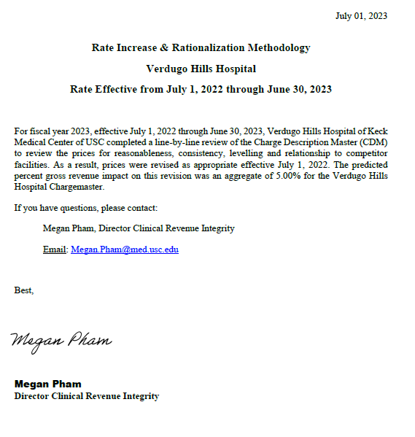
Total Gross Revenue (Old Price) | Total Gross Revenue (New Price) | New Gross Revenue Based on Annual Price Increase

$703,933,481 | $739,130,404 | $35,196,923
% Change Estimate in Gross Revenue based on Price Adjs. |  | 5%

